Fee Calculator
St Mary's College Fees Calculator: 2026 School Fees

Please click 'Enable Editing' to begin
Only add data to the gold fields
Do not enter data into the green fields - these will self populate

Family Name
Year Level (from eldest to youngest student) |  |  |  |  |  |  | 0
 | Student 1 | Student 2 | Student 3 | Student 4 | Student 5 | Family Charges
Tuition Fee | - | - | - | - | - | - | 0.00
Discount | - | - | - | - | - | - | 0.00
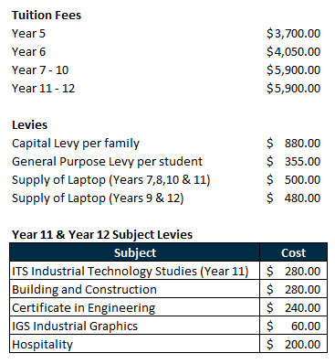
Capital Levy | - | - | - | - | - | 880.00 | 880.00
General Purpose Levy | - | - | - | - | - | - | 0.00
Laptop Year 9 & 12 | - | - | - | - | - | - | 0.00
Laptop Year 7, 8, 10, 11 | - | - | - | - | - | - | 0.00
Subject Levy 11 - 12 (from table) |  |  |  |  |  |  | 0.00

 |  |  |  |  |  | Total owing | $880.00
 |  |  |  |  |  | Less 5% discount on Tuition for payment received in full by 20/02/2026 | $880.00

Notes |  |  |  | Instalments
 |  |  |  | Weekly x 40 |  |  | $22.00
 |  |  |  | Fortnightly x 20 |  |  | $44.00
 |  |  |  | Monthly x 10 |  |  | $88.00
 |  |  |  | Term x 4 |  |  | $220.00

Click on the link to access the ADF Ready Reckoner for more customised payment calculation: |  |  |  | ADF Ready Reckoner

*THIS IS A GUIDE ONLY, PLEASE REFER TO YOUR INVOICE FOR ACTUAL AMOUNTS

